Home Page
 | Home Page |  |  |  |  |  |  | Feedback | Instructions | Reference

Banner | The Most Seamless Warranty Management Software |  |  |  |  |  |  | Focus the messaging around increasing revenue and reducing cost Analytics and Dashboard | IMAGE [Showcasing a Happy Person (English Female). Circle around the person mentioning Delighful Owner, 1-Click Onboarding, Faster Resolution.]. Reference - https://images.ctfassets.net/a7hvy8sclsq6/59QQoq5npPnrGGWkMngJD0/3e6a6e387f81acb14b8cf679fc857c6f/cb_hero_visual_desktop.png https://www.chargebee.com/ Banner image
 | Headline: The Most Seamless Warranty Management Software Animated line (Like myumbrella.ai): for D2C Brands for Shopify Merchants for Retailers for Manufacturers Subtitle: Warranty registration, claims management, and tracking unified in one system. Reduce the cost of every claim, manage warranties with more control, and make the warranty lifecycle a new revenue channel.

 | Get A Demo >

 | Rated 4.8 ★ on G2 | 5 ★ on Shopify App Store

Logos | Trusted by 500+ brands globally |  |  |  |  |  |  |  | New Logos - https://drive.google.com/drive/u/1/folders/1k4sbSMIf_bkh078lx3lfI332UOz2KprX
 | Client Logos

Platform | All-in-One Warranty Management System. Seamless for Your Team. Effortless for Your Customers.

 | Registration, claims, service, protection plans, and analytics no longer need separate tools. Dyrect connects the full warranty lifecycle, from registration to claim resolution and every service record in between.

 |  |  |  |  |  |  |  | Befor and After Animcation (On page scroll) Webflow - https://webflow.com/made-in-webflow/website/before-after-animation Figma File - Before - https://www.figma.com/design/TGUG03JYsgf40Vy3AteE8H/Dyrect?node-id=13791-14472&t=Sbo9ucyXGEZ65MLl-1 After - https://www.figma.com/design/TGUG03JYsgf40Vy3AteE8H/Dyrect?node-id=13799-4485&t=Sbo9ucyXGEZ65MLl-1

Products | The Only Warranty Management System Built for the Full Post-Sale Journey |  |  |  |  |  | Removing this section

 | Most warranty tools solve one part of the problem. Dyrect covers the entire journey, from the moment a product is registered to the day a claim is resolved and every service interaction in between.

 | PRODUCT REGISTRATION & UPSELL |  | CLAIMS AND SERVICE MANAGEMENT |  | EXTENDED WARRANTIES | INSIGHTS AND ANALYTICS |  |  | Every section will have a tab with miltiple features Ref - https://emeraldkit.webflow.io/ | 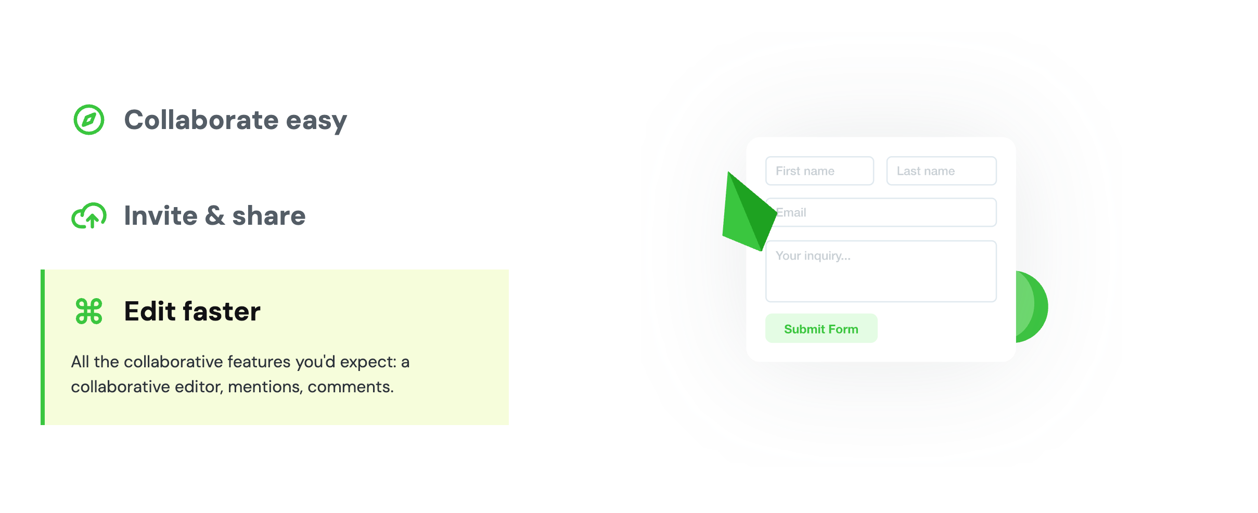

 | EXTENDED WARRANTIES Offer Protection Plans Across More Buying Touchpoints. Keep 100% of Revenue In-House Don't leave extended warranty revenue to third parties. Dyrect lets brands sell protection plans and extended coverage directly, at the moment customers are most likely to buy, right on the product page or after purchase. – Multi-Touchpoint Offers: Place protection plan offers on the product page, at checkout, and after purchase – Native Ecommerce Integration: Connect natively with Shopify and other ecommerce platforms – Self-Serve Plan Management: Let customers activate, view, and renew plans through a self-serve portal |  |  | Image |  |  |  | 1-Click Registration + Upsell | - Registration - Upsell (Vouchers)
 |  |  |  |  |  |  |  | Extended Warranties | - Sell Extended Warranty inhouse (ref - myumbrella.ai)
 |  |  |  |  |  |  |  | Claims & Service Management | - Self Service Claims Portal - Tickets Tracking - Repair/ Replacements - Shipments - Payments |  | (amar) extended warranties features-|

 |  |  |  |  |  |  |  | 4. Insights and Analytics (powerful)

 | Image |  |  | Omnichannel Product Registration & Upsell Turn Every Buyer Into a Reachable Customer Stop losing customers to marketplaces and offline retail. Dyrect collects first-party data at the point of registration so every buyer becomes a direct contact the team can reach, retain, and sell to again. - Omnichannel Registration: Omnichannel product registration through QR code, website, and automatic registration for Shopify orders - Digital Warranty: Digital warranty card and self-serve customer portal - Post-Registration Upsells: Trigger upsell offers at the exact moment a customer completes registration Create Omnichannel Registration >

 | CLAIMS AND SERVICE MANAGEMENT Every Claim Logged, Assigned, and Resolved With Full Visibility Claims arrive from every direction and service work expands with every unresolved request. Dyrect organizes claim intake, validation, assignment, and resolution so teams can handle service requests with clear ownership and complete visibility. – Serial Number Validation: Serial number validation catches fraudulent and duplicate claims before they are processed – Smart Ticket Routing: Automatic ticket assignment with priority levels and real-time status tracking – Service Workflow Tracking: Repair, replacement, shipment, dealer payment, and OEM chargeback tracking in one workflow Streamline your Claims Process > |  |  | Image

 | Image |  |  | INSIGHTS AND ANALYTICS Complete Picture of Your Warranty Operation in One Dashboard Know exactly where claims are coming from, which products fail most, how fast the team resolves tickets, and where revenue opportunities are being missed. All in one dashboard, updated in real time. – Warranty Performance Metrics: Track registration rates, claim volumes, and resolution times across every product – Defect Trend Detection: Identify high-defect products before they become a cost problem – Revenue Opportunity Insights: Spot upsell opportunities based on warranty expiry and customer activity Explore Analytics >

 | Whoever Owns the Post-Sale Problem, Dyrect Solves It.
Customer Profile
 | No first-party data. Slow claims processing. After-sales service that costs more than it earns. These are not separate problems, they are the same broken post-sale operation hitting three different teams. Dyrect's warranty management software fixes the whole thing.
 | Image. User Profile (with name, email, Phone, Sales Channel & more) |  | Image (Ticketing List, assigning to the repairer) |  | Image. (Dashboard Profit & Loss Image) |  |  |  | Reference - Hubspot https://www.hubspot.com

 | Marketers |  | After Sales/ Warranty Managers |  | Business Owner
 | You Have Thousands of Buyers You Cannot Reach |  | Your Claims Process Was Not Built to Scale |  | Your After-Sales Operation Costs Money and Earns None
 | Every product sold through Amazon, offline retail, or a distributor is a customer your brand has no record of. No email, no phone number, no purchase history. Dyrect captures first-party data at the point of product registration so every buyer becomes a direct contact you own, regardless of where they purchased. |  | Claims come in through email, WhatsApp, and phone calls. Each one gets logged manually, followed up individually, and resolved slowly. Dyrect replaces that with a structured system where every claim is validated against a serial number, assigned to the right person, tracked in real time, and closed without manual chasing. |  | Every warranty claim your team resolves is an expense with no return. Dyrect turns each service interaction into a revenue touchpoint by surfacing extended warranty plans and upsell offers at the right moment, so the same operation that was draining margin starts generating it.
 | Learn More |  | Learn More |  | Learn More

 | Everything You Need to Run Warranty Operations, Built In
Capabilities
 | No add-ons, no third-party tools stitched together. Every feature needed to run a complete warranty operation comes built into Dyrect.
 | ICON |  | ICON |  | ICON

 | Digital Warranty Cards |  | Serial Number Validation |  | Custom Forms and Policies
 | Replace paper cards with digital warranty records linked to the product and purchase details. |  | Check product authenticity and warranty eligibility before service activity moves ahead. |  | Set up registration fields, claim forms, and warranty rules for different products and categories.

 | Read more > |  | Read more > |  | Read more >
 | ICON |  | ICON |  | ICON

 | Self-Serve Warranty Portal |  | White-Label |  | Team Workspaces
 | Give buyers a clear place to view product details, warranty status, and service activity. |  | The registration page, warranty portal, and customer communications all carry the brand's logo, colors, and tone. Customers interact with the brand, not a third-party tool. |  | Keep claim ownership, notes, assignments, and service actions organized across internal teams.

 | Read more > |  | Read more > |  | Read more >

Testimonial | Why 100s of brands trust us? |  |  |  |  |  |  |  | 1 Indian + Others Non- Indian
Testimonial | Testimonials

 |  | Already on Shopify? Go Live in <30 Minutes. Dyrect is rated 5★ on the Shopify App Store. Three steps and your entire warranty operation is running automatically, no developer needed.
Shopify |  | Step 1 | Step 2 | Step 3
 |  | Step 1 — Install the App Find Dyrect on the Shopify App Store and install with a single click. No coding, no technical setup, no back and forth with a developer. | Step 2 — Sync Your Products Select which products need warranty registration. Dyrect pulls directly from your Shopify catalog and syncs automatically. | Step 3 — Go Live That's it. From the next fulfilled order, warranties are registered automatically and customers are notified without any manual work from your team.

 | Seamlessly Connect With Your Existing Tools
Integration | Dyrect Plugs Into the Tools Your Team Already Uses No ripping and replacing your existing stack. Dyrect's warranty management system connects with your ecommerce store, marketing tools, and support platform so data flows automatically where it needs to go. View Dyrect Integrations > |  |  | Image

 | Real Results From Brands Running on Dyrect
Stats

 | 4 Mn + |  | 500+ |  | 3X |  | 500+ Brands
 |  |  |  |  |  |  | 4M+ Customers Served
 | Customers Served |  | Brands Running on Dyrect |  | Higher Attach Rate |  | 3x higher attach rate

 | Ready to Optimize Your Post-Sale Operation?
CTA
 | Book a demo and see how brands running on Dyrect manage the entire warranty lifecycle without switching tools.

 |  | Sign-up for Demo >

 | From the Dyrect Blog
Resources
 | Guides, case studies, and insights on warranty management, post-sale operations, and building direct customer relationships.
 |  |  |  |  |  |  |  |  | Ref: Stripe. Built for Growth section. https://stripe.com/in

 |  |  |  |  |  |  |  |  |  |  | resources section -- case study, newsletter, blogs, warranty pages

 | Guide |  | Listicle |  | Guide
 | Image |  | Image |  | Image

Footer

Faqs |  | Frequently Asked Questions 1. What is Dyrect warranty management software used for? Dyrect is a warranty management platform that helps brands handle product registration, warranty claims, service requests, and warranty tracking in one system. Teams can manage the full warranty lifecycle from customer registration through claim resolution. This helps founders and warranty teams reduce manual work while maintaining a clear record of registrations, claims, and service activity. 2. Can Dyrect work with Shopify stores? Yes. Dyrect works with Shopify and can connect with your store to manage product warranty registration and warranty claims linked to Shopify orders. Once the app is installed, products can be synced from your Shopify catalog and warranty registration flows can run automatically for eligible orders. 3. How does product warranty registration work in Dyrect? Dyrect allows customers to register their products through a branded registration page or portal. Registration can happen through a website link or QR code on packaging. During registration, the system collects key customer information such as email, phone number, purchase channel, and location. This helps brands capture first party customer data and maintain a proper warranty database. 4. Can Dyrect help manage warranty claims and service requests? Yes. Dyrect supports warranty claim management through a structured workflow. Claims submitted by customers can be validated using serial numbers and then assigned to the right team member. Warranty teams can track claim status, manage repairs or replacements, and monitor every service interaction in one place. 5. Does Dyrect support serial number warranty tracking? Yes. Dyrect supports serial number based warranty tracking. Each product can be linked to a serial number or unique identifier so the system can verify warranty eligibility during registration and claims. This helps prevent duplicate claims and improves accuracy in warranty service manag

